readme
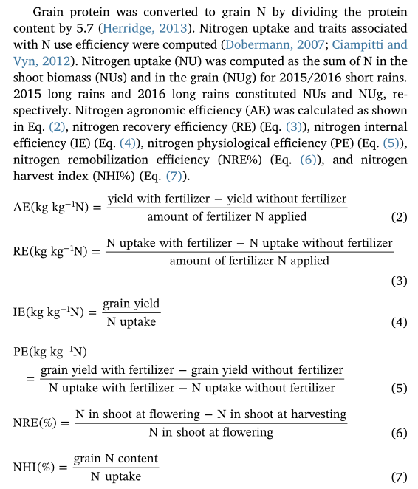
group | Variable | Unit | description | additional information
study | ID | - | unique ID
 | reference | - | paper reference: firstauthor_year_firstwordoftitle
location | lat | - | if present: x coordinate of site | Latitude (N/S)
 | lon | - | if present: y coordinate of site | Longitude (W/E)
 | year | - | experimental year | Year of yielding
climate | climate | - | climate | if unknown, can be derived from existing databases using X and Y
 | mat | ºC | mean temperature | if unknown, can be derived from existing databases using X and Y
 | map | mm | annual precipitation | if unknown, can be derived from existing databases using X and Y
site properties | soil_type | - | soiltype according to USDA classification | https://www.nrcs.usda.gov/wps/portal/nrcs/detail/soils/survey/?cid=nrcs142p2_054167
 | soc | g/kg | soil organic carbon level | if soil organic matter is given, estimate soc = 0,5 x som, if unknown, can be derived from existing databases using X and Y
 | ntot | mg/kg | total nitrogen level | if unknown, can be derived from existing databases using X and Y
 | ph | - | soil acidity | if unknown, can be derived from existing databases using X and Y
 | clay | g/kg | clay content | if unknown, can be derived from existing databases using X and Y
management | crop_type | - | crop | options: maize, rice, wheat, …
 | tillage | - | add tillage system | conventional, shallow, deep tillage
 | n_dose | kg N/ha | total n input (fertilizer AND manure) in kg N/ha
 | p_dose | kg P2O5/ha | total p input (fertilizer AND manure) in kg P2O5/ha
 | k_dose | kg K2O/ha | total k input (fertilizer AND manure) in kg K2O/ha
 | replication | - | number of replicates
response variable NUE treatment | nuet_type | - | AEN,REN | REN: recovery efficiency of N (kg (N Grain) kg / (N fertilized)); AEN: agronomic efficiency of N (kg (Grain) kg/ (N fertilized)
 | nuet_mean | % | mean nue of treatment | %
 | nuet_sd | - | standard deviation of nue of treatment | se = SD /sqrt(n)
 | nuet_n | - | number of replicates
response variable NUE comtrol | nuec_type | - | AEN,REN | REN: recovery efficiency of N (kg (N Grain) kg / (N fertilized)); AEN: agronomic efficiency of N (kg (Grain) kg/ (N fertilized)
 | nuec_mean | % | mean nue of control | %
 | nuec_sd | - | standard deviation of nue of control | se = SD /sqrt(n)
 | nuec_n | - | number of replicates
response variable N uptake treatment | nut_type | - | nitrogen uptake type | options: crop_total, crop_yield, crop_residue
 | nut_mean | kg·N/ha | mean nitrogen uptake of treatment | kg·N/ha
 | nut_sd | - | standard deviation of N uptake of treatment
 | nut_n | - | number of replicates
response variable N uptake control | nuc_type | - | nitrogen uptake type | options: crop_total, crop_yield, crop_residue
 | nuc_mean | kg·N/ha | mean nitrogen uptake of control | kg·N/ha
 | nuc_sd | - | standard deviation of N uptake of control
 | nuc_n | - | number of replicates

 | tillage |  | treatment | control
 | BC |  | biochar | no biochar
 | CF |  | combined fertilizer | mineral fertilizer
 | OF |  | organic fertilizer | mineral fertilizer
 | EE |  | enhanced efficiency fertilizer (NI,UI,DI,CRF) | no enhanced efficiency
 | RES |  | crop residues incorporated | crop residues removed
 | RFP |  | right fertilizer placement | conventional fertilizer placement
 | RFR |  | right fertilizer rate | conventional fertilizer rate
 | RFT |  | right fertilizer timing | conventional fertilizer timing
 | CC |  | cover crop | no cover crop
 | ROT |  | crop rotation | monoculture
 | NT |  | no tillage | conventional tillage
 | RT |  | reduced tillage | conventional tillage

